Sheet1
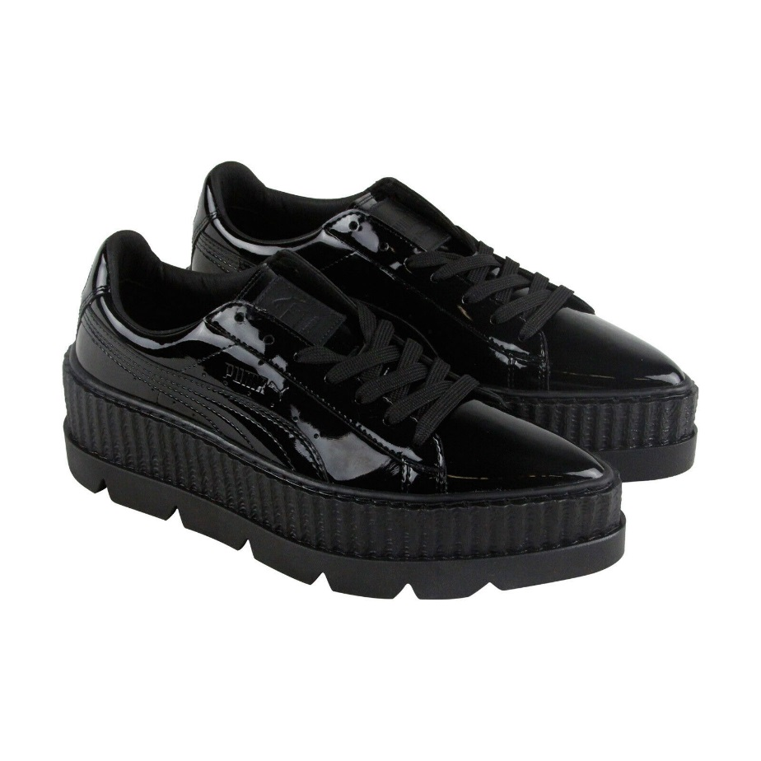
Brand | USA Retail | Color | Model Number | US Medium Size - WOMENS | 7 | 7.5 | 8 | 8.5 | 9 | Total
Puma Fenty By Rihanna | $190 | Black | 36627001 |  | 359 | 1,065 | 1,332 | 412 | 8 | 3,176

